SCD Type2 - Test Result
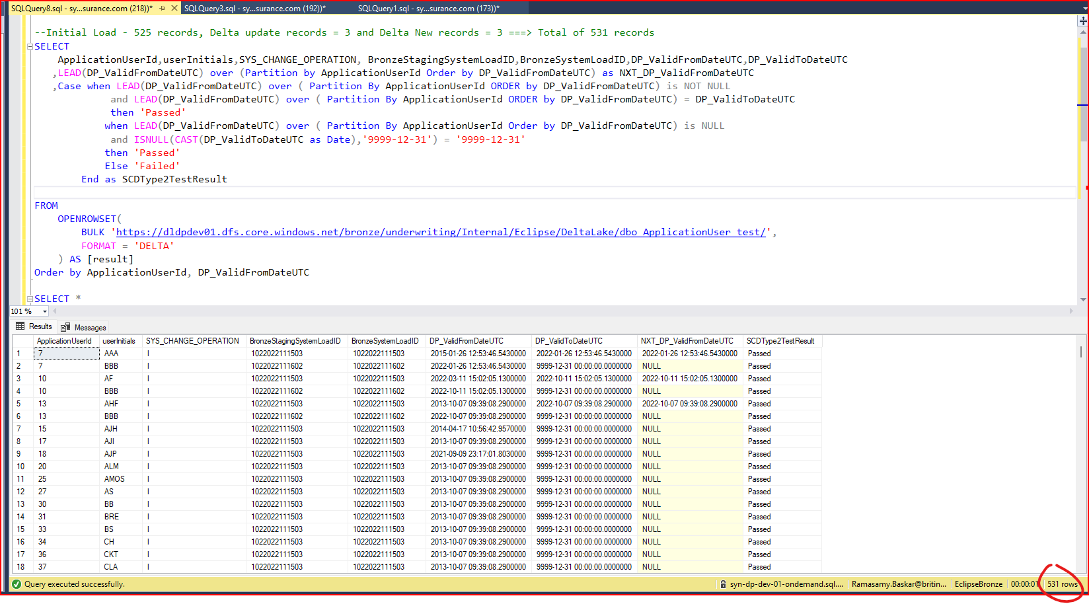
ApplicationUser_test - Initial Load

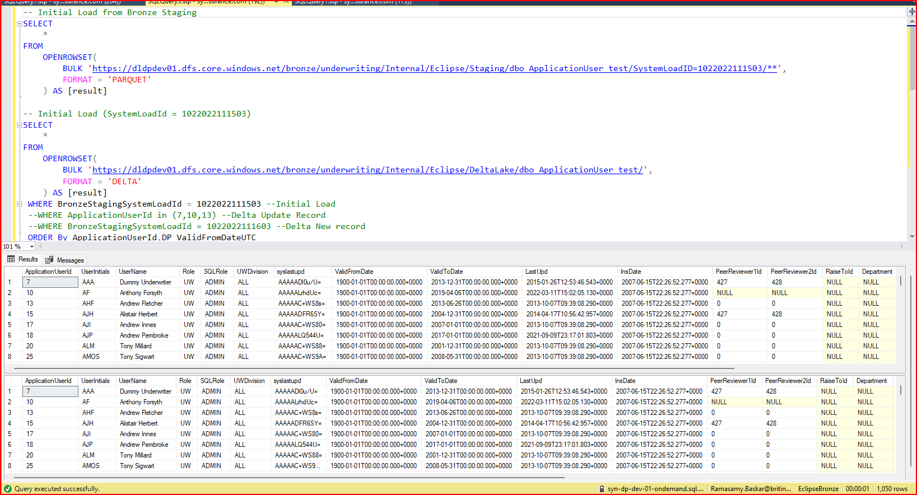

ApplicationUser_test - Delta Load (Updated Record)

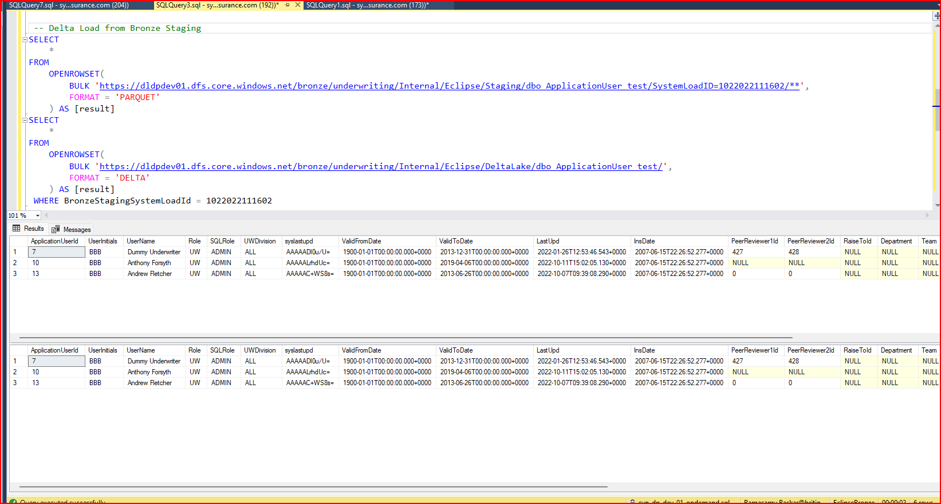

ApplicationUser_test - Delta Load (New Record)

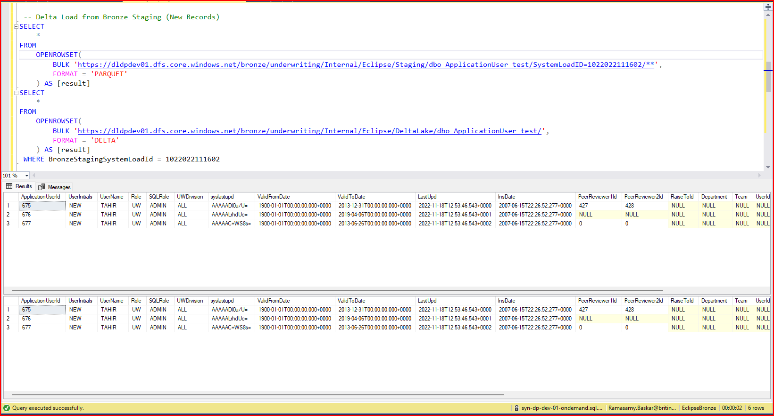

SCD Type2 Test Result

